Sheet1
IMAGE | DESCRIPTION | EAN | QTY AVAILABLE | RRP | Line RRP
 | In Car Charger with 5 x USB Outputs | 5030745618401 | 963 | £14.99 | £14,435.37
 | USB Car Charger | Multiple | 1604 | £4.99 | £8,003.96
 | Smart Strip Light – 3 Metre | 8720039608023 | 555 | £24.99 | £13,869.45
 | Drew Barrymore Flower Beauty Universal Ionic Hairdryer Diffusers |  | 948 | £15.99 | £15,158.52
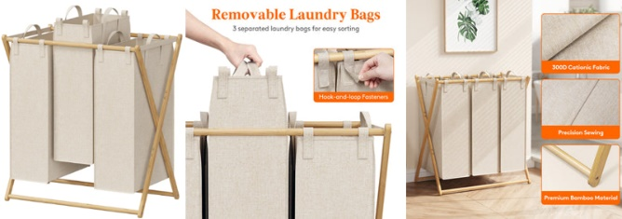 | Lifewit 150L Foldable Laundry Basket - 3 Section | 387021933662 | 202 | £49.00 | £9,898.00
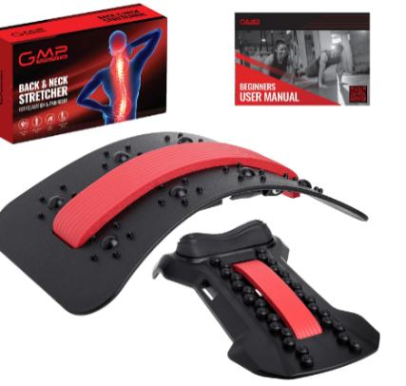 | Back Stretcher |  | 300 | £19.99 | £5,997.00
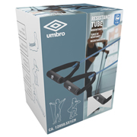 | Resistance Tube | 8711252269207 | 504 | £14.99 | £7,554.96
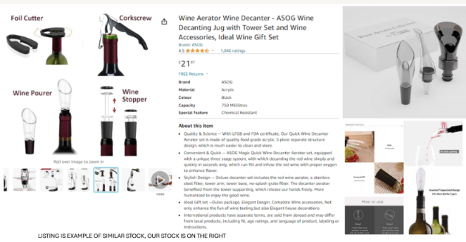 | WINE AERATORS |  | 472 | £14.99 | £7,075.28
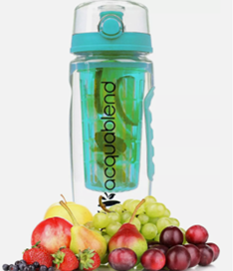 | Acquablend Fruit Infuser Water Bottles - Red 750ml |  | 672 | £10.00 | £6,720.00
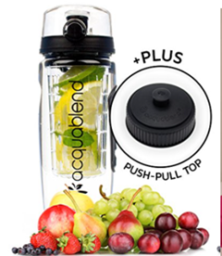 | Acquablend Fruit Infuser Water Bottles - Black 750ml |  | 720 | £10.00 | £7,200.00
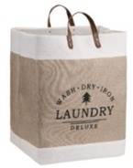 | Foldable Laundry Basket |  | 109 | £23.99 | £2,614.91
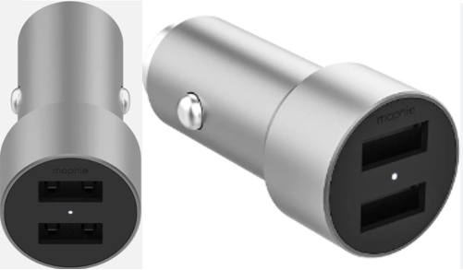 | Mophie 12W USB A Dual Car Charger | 848467097993 | 500 | £14.95 | £7,475.00
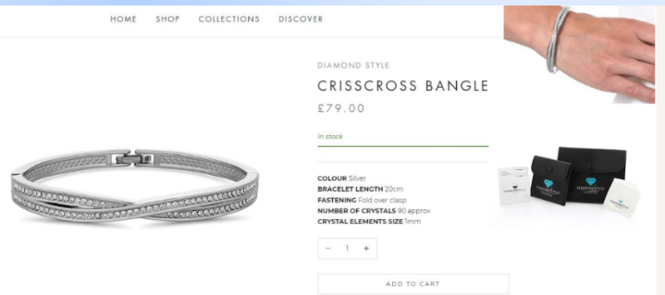 | Diamond Style Bracelet |  | 54 | £79.00 | £4,266.00
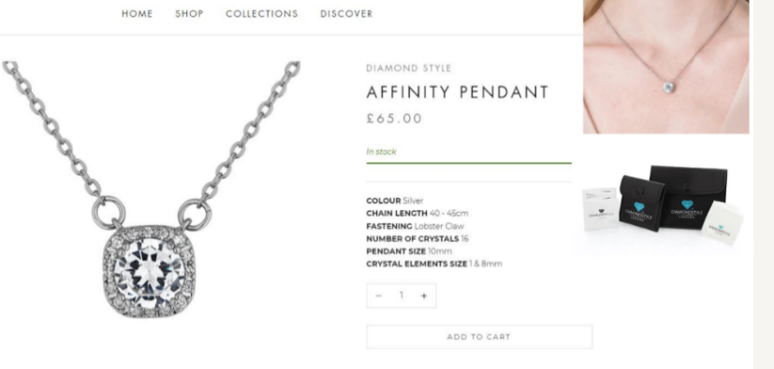 | Diamond Style Necklace |  | 247 | £65.00 | £16,055.00
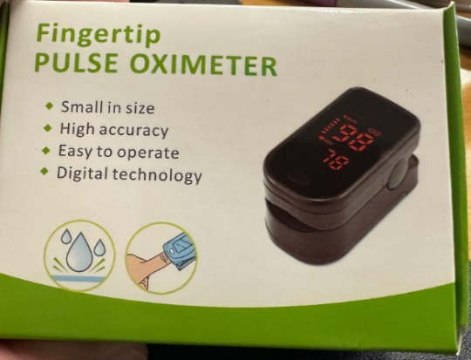 Oximeter | Oximeter |  | 1258 | £16.99 | £21,373.42
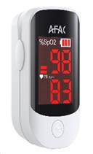 | Oximeter |  | 2718 | £16.99 | £46,178.82
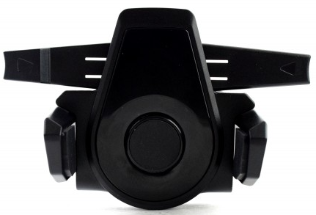 | One Touch Phone Holder |  | 487 | £9.99 | £4,865.13
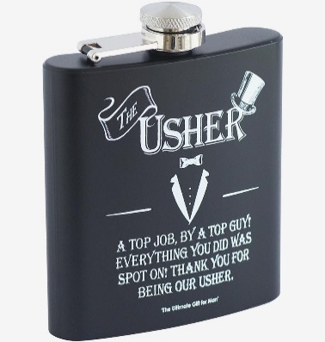 | The Usher Hip Flask | 5060578091287 | 288 | £15.00 | £4,320.00
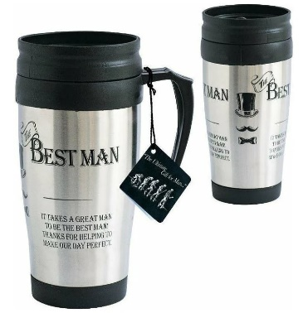 | Stylish Travel Mug - Batman | 5060366688880 | 342 | £15.00 | £5,130.00
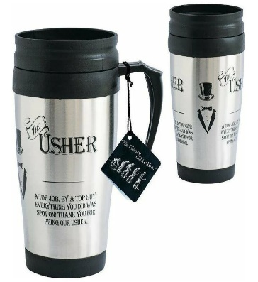 | Stylish Travel Mug - Usher |  | 309 | £15.00 | £4,635.00
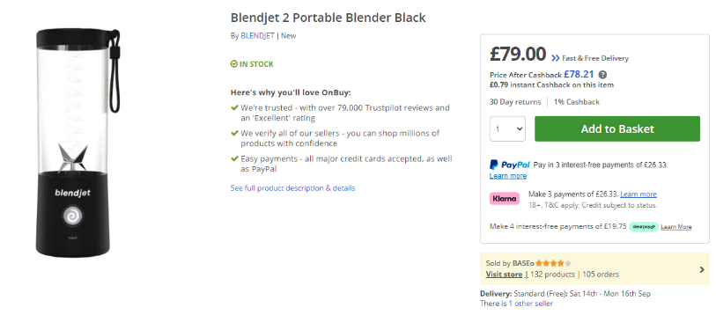 | Blendjet 2 – Black | 732388006212 | 75 | £79.00 | £5,925.00
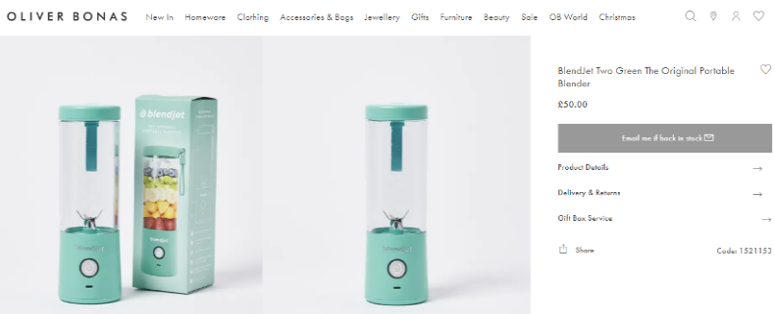 | Blendjet 2 – Green | 732388006113 | 75 | £79.00 | £5,925.00
 | Monster Feet – Stomp Around Like a Little Monster |  | 456 | £11.99 | £5,467.44
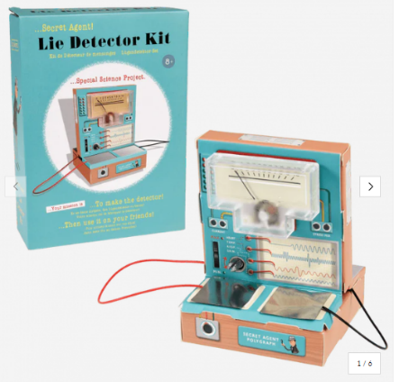 | Build Your Own Lie Detector Kit - Secret Agent |  | 828 | £14.99 | £12,411.72
 | Dyson Zone Wireless Noise-Cancelling & Air Purifying Headphones |  | 28 | £549.99 | £15,399.72
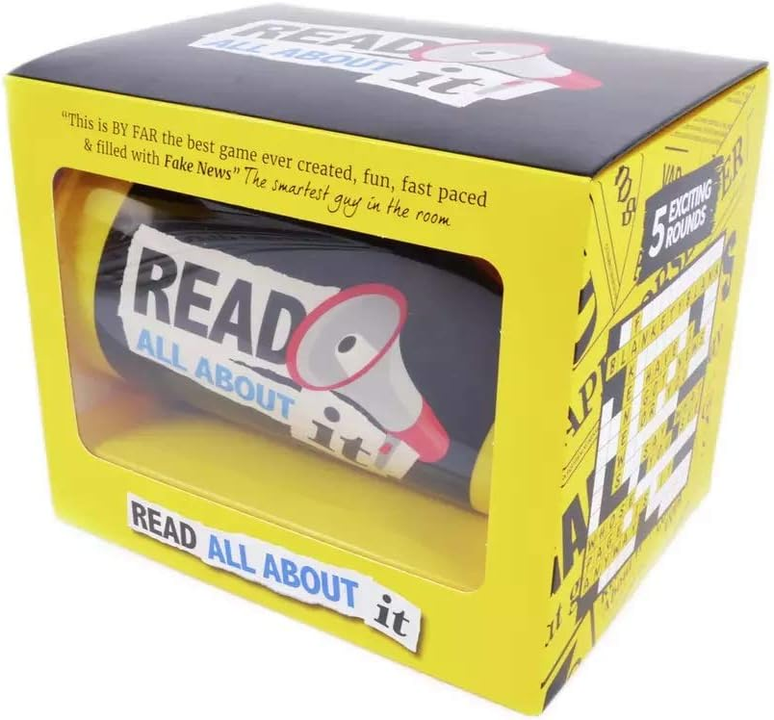 | Yay Games Read All About It Card Game, Fun Family Friendly Game, Ages 12+ |  | 749 | £10.99 | £8,231.51
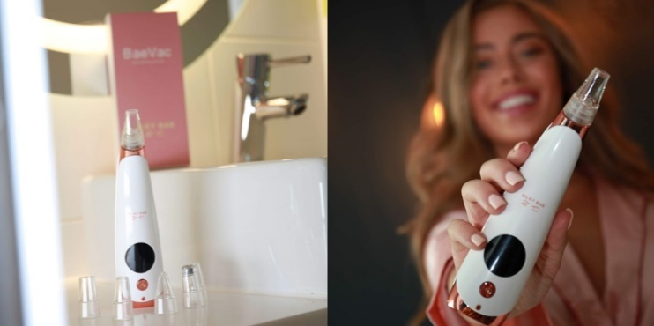 | Silky Bae Baevac Pore Vacuum - Powerful Blackhead Remover |  | 1000 | £22.95 | £22,950.00
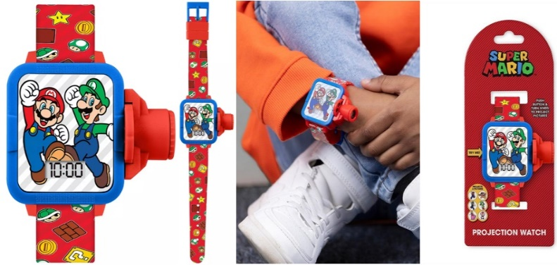 | Super Mario Watch |  | 262 | £16.99 | £4,451.38
 | Bitmore RFID Blocking Leather Wallet |  | 1200 | £21.60 | £25,920.00
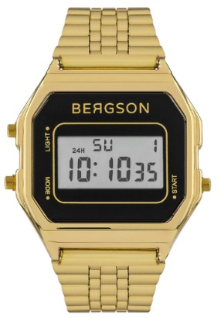 | Bergson Watch BGW8159U3 |  | 1500 | £28.99 | £43,485.00
 |  |  | 19425 |  | £362,992.59

